Impact Fee Service Area Map
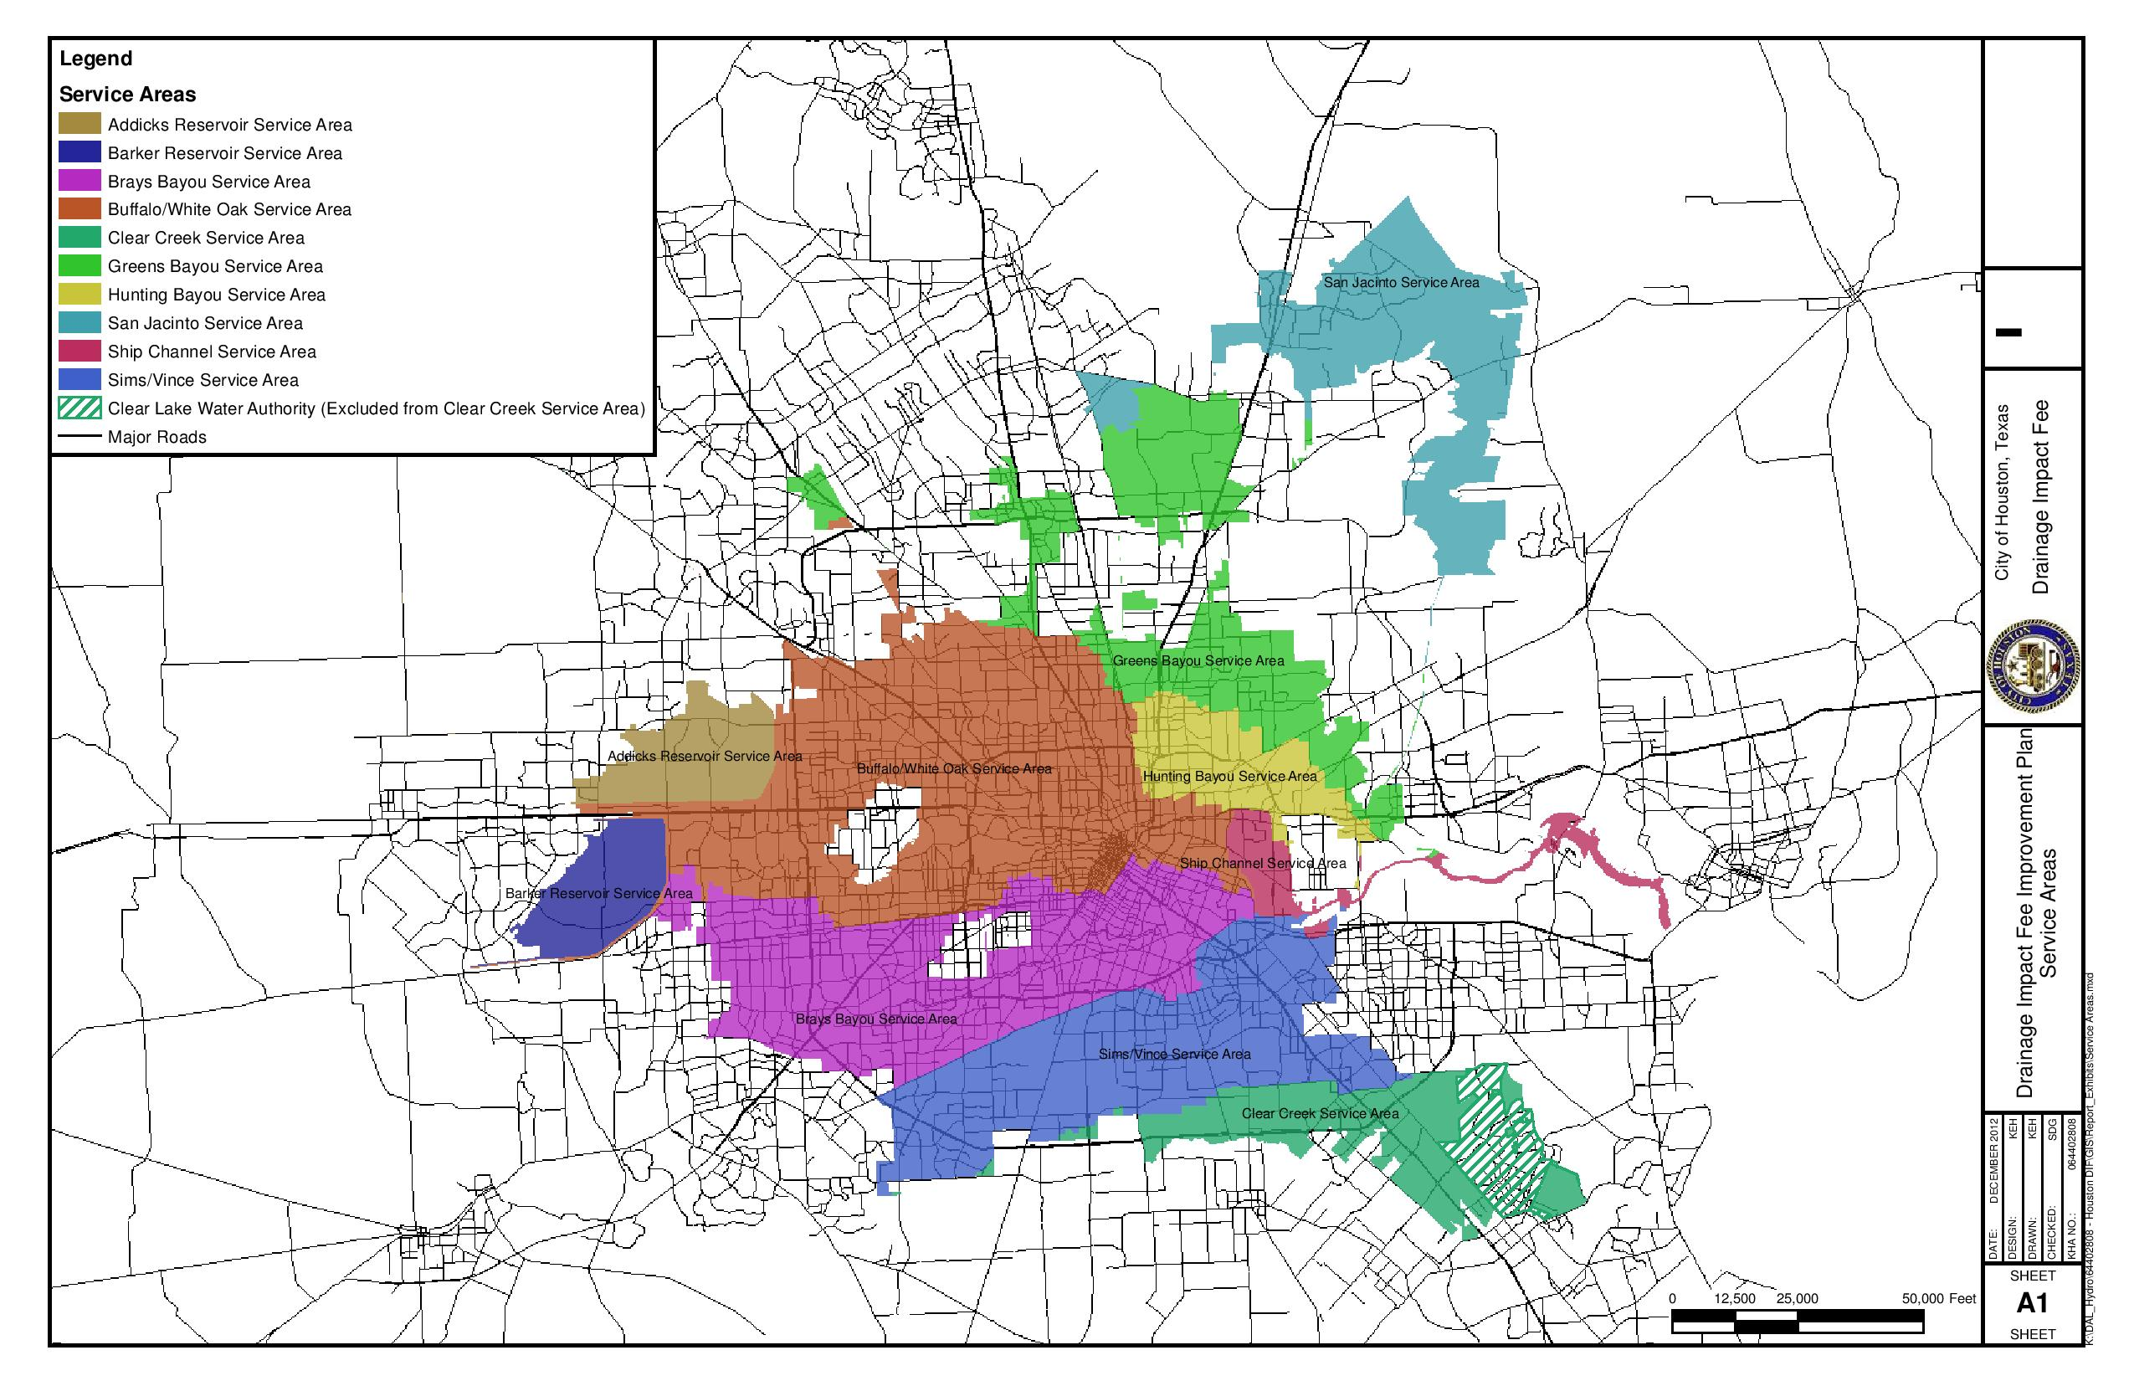

Impact Fee Estimator
 |  | *This tool is provided solely for the purpose of a planning level estimate of potential drainage impact fees. The results are not final or binding on the property owner or the City of Houston. |  | CITY OF HOUSTON DEVELOPER DRAINAGE IMPACT FEE ESTIMATOR

 | DATE:

 | The Drainage Impact Fee (adopted via Ordinance #2012-281) is applied to each new development within the City of Houston Drainage Impact Fee Service Areas that will result in an increase to the impervious area. The fee will contribute to the funding of necessary drainage improvements projects required to serve the additional storm water resulting from the new development (if any) within the applicable Drainage Impact Fee Service Area.

 | DEVELOPMENT NAME:
 | PROJECT LOCATION:

 | HOW THE DRAINAGE IMPACT FEE IS CALCULATED:
 | The drainage impact fee shall be calculated by multiplying the applicable service unit rate ($) for that Service Area by the number of service units (1 service unit = 1,000 square feet of impervious area) that will be generated by the new development, rounded to the nearest hundredth. For redevelopment or other development scenarios where existing development is being modified in some fashion, the fee is based on the increase in impervious area generated by the activity, as defined within the ordinance.

 | Drainage Impact Fee Estimate Calculation |  |  | For additional information, contact Jessica Dennis in Public Works and Engineering at (832) 394-8976.
 | The Impact Fee Service Area Map is available on the ReBuild Houston website (click here) or by clicking the 'Service Area Map' tab at the bottom this MS Excel worksheet
 | Click Here to Select Service Area |  |  | $0.00 | per service unit
 | Step 1. Use the drop down menu above to select the appropriate Drainage Impact Fee Service Area for the project (see Service Area Map tab for more information).
 | Existing Impervious Area (if any): |  |  | square feet
 | Proposed Future Total Impervious Area: |  |  | square feet
 | Net New Impervious Area: |  | - | square feet
 | Step 2. Enter the amount of any existing and/or new impervious area in the lines above.
 | Net New Impervious Area: |  | - | Service Units
 | Estimated Drainage Impact Fee: (before any eligible offsets) |  | $0.00 | No Fee Due

 | A property owner or developer may receive an offset to a drainage impact fee pursuant to a development agreement approved by the city, if: (1) The property owner constructs or finances an approved drainage facility; (2) The property owner does not receive reimbursement for that drainage facility; (3) The drainage facility serves only the city drainage system; and (4) The offset does not include on-site drainage for the property.
 | Approved Offset Costs: |  | $0.00
 | Step 3. Enter the amount of any eligible offsets in the line above.
 | Estimated Drainage Impact Fee: (including any eligible offsets) |  | $0.00 | No Fee Due

